Permissions
PERMISSIONS
https://miro.com/app/board/uXjVP353BSw=/

Tip
Use a pattern when naming custom permission groups.
CUSTOMER ACRONYM = CUST
TYPE OF PERMISSIONS = Sites/Assets/Global/etc.
ROLE = Role who will use the permission
FOLDER SPECIFIC if there are specific folders for group
CUST-DAM-Brand
CUST-DAM-Creatives
* add screenshot below table
 | Everyone | Everyone is a member of this group. No specific permissions are provided to everyone by default.
*** Default Access Group | DAM User | All SSO Members |  | R
 | Admin | Group that gives administrator rights to all its members. Only admin is allowed to edit this group. +Sites and DAM Admin Rights +Workflow Has full access rights. | / | R | M | C | D | R-ACL | E-ACL | REPL | Current | Using Site Admin for this role. | Using Site Admin for this role.
 | User Admin | Group that gives non-admin access rights to members. Someone assigned to managing users/groups, but wthout full admin permissions. | /libs/granite/security/content/groupadmin.html | R | M |  |  | R-ACL | E-ACL
 | Tag-Administrator | This is an out of the box user group that is allowed to edit tags. | /etc/tags | R | M | C | D | R-ACL | E-ACL | REPL
 | Workflow Editors | This is an out of the box user group that provides users with the ability to edit workflow models. | /etc/workflow | R | M | C | D
 | Workflow Users | Members of this group can participate in workflows within AEM. | /etc/workflow/models | R | M | C | D

Action | Description | OOTB Group Name | Description | Corresponding Content Hub User Groups |  |  |  |  | Description
Read | ✔️ The user is allowed to search, view, share, and download assets | administrators | Group that gives administrator rights to all its members. Only admin is allowed to edit this group. | Content Hub Administrators |  |  |  |  | Access to the Configuration user Interface on Content Hub in addition to accessing brand-approved assets, uploading assets to the Content Hub, Adobe Express integration to edit images (if you have Adobe Express entitlements)
Modify | The user can: ✔️ modify asset metadata ✔️ modify tags* ✔️ modify folders | Content-authors | Group responsible for content editing. Requires read, modify, create, and delte permissions. | Content Hub Users with rights to remix assets to new variations |  |  |  |  | Adobe Express Integration (if you have Adobe Express entitlements) in addition to accessing brand approved assets on the Content Hub portal.
Create | The user can: ✔️ upload assets ✔️ create asset versions ✔️ create folders | Contributor | Basic privileges that allow the user to write content (as in, only the privileges required for the basic functionality). Does not allocate any privileges for access to the / content tree itself. These must be specifically allocated for the individual groups or users. | Content Hub Users with rights to add assets |  |  |  |  | Ability to upload assets to Content Hub in addition to accessing brand approved assets on the Content Hub portal
Delete | The user can: ✔️delete assets ✔️delete asset metadata ✔️delete metadata schemas ✔️delete tags ✔️delete folders ✔️delete user groups ✔️delete workflows | tag-administrators | Group that is allowed to edit tags. | N/A |  |  |  |  | N/A
Read ACL | ✔️The user can read access control lists* | user-administrators | Authorizes user administration, that is, the right to create users and groups. | N/A |  |  |  |  | N/A
Edit ACL | ✔️The user can modify access control lists* | workflow-editors | Group that is allowed to create and modify workflow models. | N/A |  |  |  |  | N/A
 |  | Workflow-users | A user participating in a workflow must be a member of group workflow-users. Gives the user full access to: /etc/workflow/instances so that they can updae the workflow instance. The group is included in the standard installation, but you must manually add your users to the group. | N/A |  |  |  |  | N/A
 |  | workflow-notification-users | Users in this group will be the ones that receive notifications with regard to Asset Expiry and Asset Archive workflow. This should be limited to a very small group. | N/A |  |  |  |  | N/A
 |  | dam-users | Out-of-the-box reference group for a typical AEM Assets user. Members of this group have appropriate privileges to enable uploading/sharing of assets and collections.
 |  | everyone | Every user in AEM is a member of the group everyone, even through you may not see the group or the membership relation in all tools. This group can be throught of as the default rights as it can be used to apply permissions for everyone, even users that will be created in the future.

Naming Conventions
Type | Naming convention | Example | Accepted File Types |  |  | Questions
Example: | 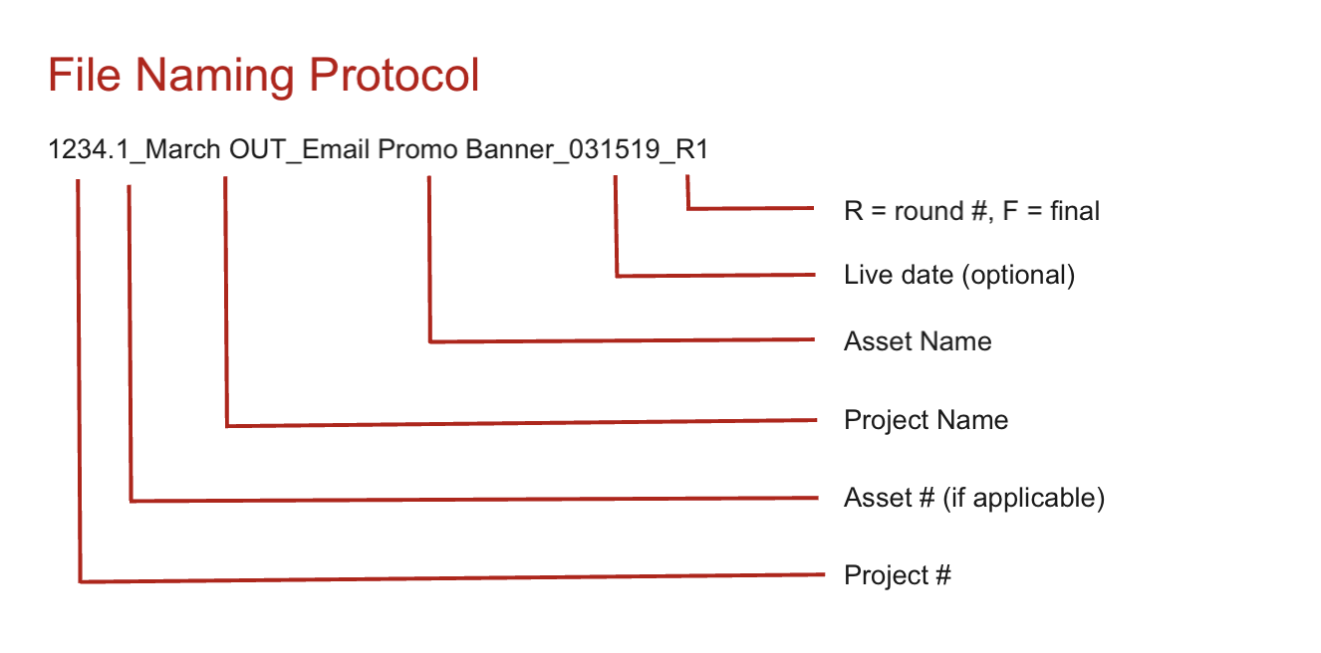  Amending this format to remove R at the end, AEM will account for renditions

Images | Use hyphen as word separator as needed |  | PNG, GIF, TIFF, JPEG, BMP, PNM, PGM, PBM, PPM, PSD, EPS, PICT, PSB | 2D STEP Files (Gif) | USE CASES
 | 64 character limit
 | Alphanumeric and hyphen permissible
 | No special characters

Content Fragments | Use hyphen as word separator as needed |  | N/A
 | 64 character limit
 | Alphanumeric and hyphen permissible
 | No special character

Documents | Use hyphen as word separator as needed |  | AI, DOC, DOCX, ODT, PDF, HTML, RTF, TXT, XLS, XLSX, ODS, PPT, PPTX, ODP, INDD, PS, QXP, EPUB
 | 64 character limit
 | Alphanumeric and hyphen permissible
 | No special character

Multimedia | Use hyphen as word separator as needed |  | AAC, MIDI, 3GP, MP3, MPG, OGA, OGG, RA, WAV, WMA, DVI, FLV, M4V, MPEG, OGV, MOV, WMV, SWF
 | 64 character limit
 | Alphanumeric and hyphen permissible
 | No special character

Video | Use hyphen as word separator as needed |  | MP4, MOV, QT, FLV, F4V, WMV, MPG, VOB, M2V, MP2, M4V, AVI, WebM, OGV, OGG, MXF, MTS, MKV, R3D, RM, RAM, RM, FLAC, MJ2
 | 64 character limit
 | Alphanumeric and hyphen permissible
 | No special character

Renditions
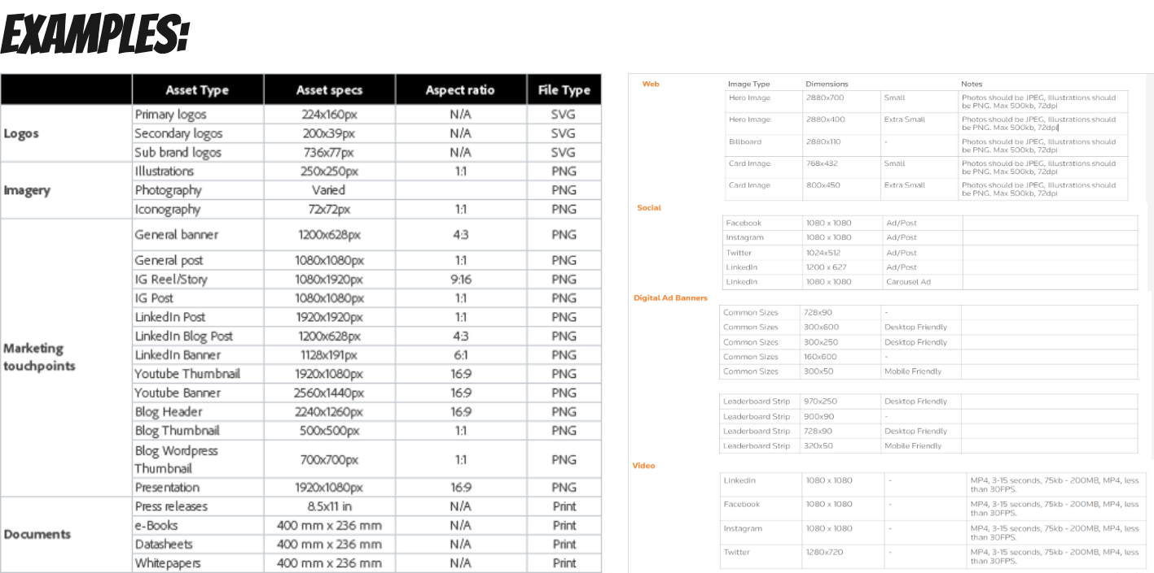
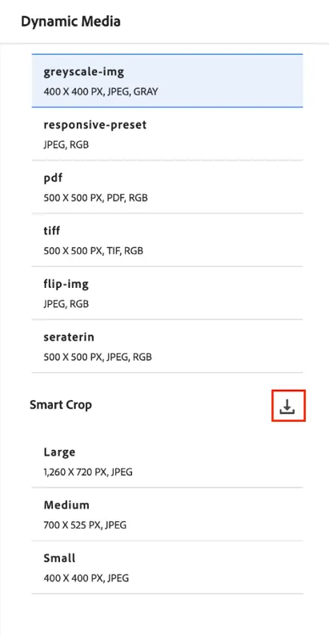
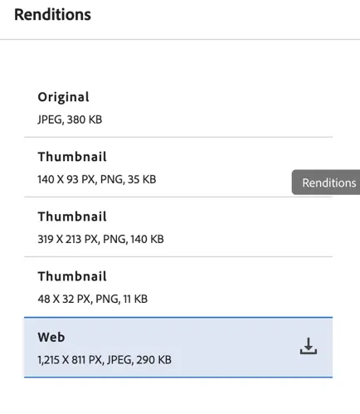
Source | Preset Name | Asset specs | Aspect ratio | File Type
Foundational | General post | 1080x1080px | 1:1 (Aspect ratio) | JPG/PNG
Foundational | Generic | 1920x1440px | 4:3 (Aspect ratio) | JPG/PNG
Agencies | Social (Raster/Pixel)_9-16 | 1080x1920px | 9:16 (Aspect ratio) | JPG/PNG
 | Social (Raster/Pixel)_4-5 | 1080x1350px | 4:5 (Aspect ratio) | JPG/PNG
 | Logo (Vector) PNG | Retain Original | Retain Original | PNG
 | Logo (Vector) EPS | Retain Original | Retain Original | PNG
 | Youtube Banner | 2560x1440px | 16:9 (Aspect ratio) | PNG
 | Portrait | 1200x1500px | 4:5 (Aspect ratio) | JPG/PNG
 | Wide | 1000x500px | 2:1 (Aspect ratio) | JPG/PNG

